basic
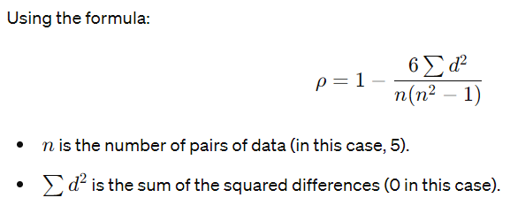
Hours Studied | Exam Scores
2 | 60
3 | 70
4 | 75
5 | 80
6 | 85

Rank the Data

First, rank the data for each variable:

Hours Studied | Exam Scores | Hours Rank | Scores Rank
2 | 60 | 1 | 1
3 | 70 | 2 | 2
4 | 75 | 3 | 3
5 | 80 | 4 | 4
6 | 85 | 5 | 5

Calculate the Difference in Ranks (𝑑d)

Compute the difference between the ranks of each pair of observations:

d =Hours Rank−Scores Rank

Hours Rank | Scores Rank | 𝑑d
1 | 1 | 0
2 | 2 | 0
3 | 3 | 0
4 | 4 | 0
5 | 5 | 0

Square the Differences

Square each difference:

d | d2
0 | 0
0 | 0
0 | 0
0 | 0
0 | 0

monotonic
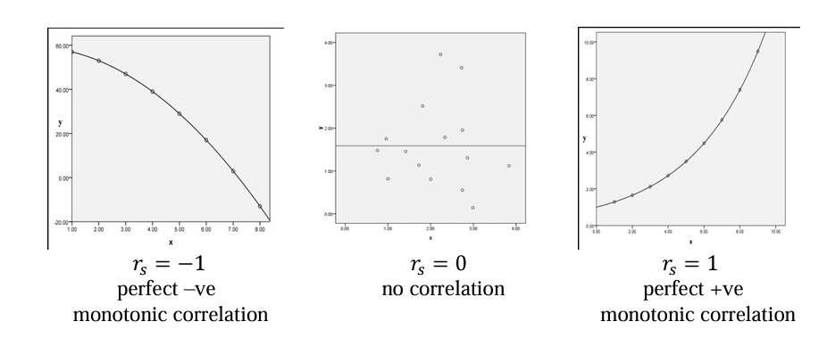
X | y
0.5 | 1.6487212707
1 | 2.7182818285
1.5 | 4.4816890703
2 | 7.3890560989
2.5 | 12.182493961
3 | 20.085536923
3.5 | 33.115451959
4 | 54.598150033
4.5 | 90.017131301
5 | 148.4131591
5.5 | 244.69193226
6 | 403.42879349
6.5 | 665.14163304
7 | 1096.6331584
7.5 | 1808.0424145
8 | 2980.957987
8.5 | 4914.7688403
9 | 8103.0839276
9.5 | 13359.72683
10 | 22026.465795

Pearsons | 0.69906697205

X | y | Rank_X | Rank_y
0.5 | 1.6487212707 | 1 | 1
1 | 2.7182818285 | 2 | 2
1.5 | 4.4816890703 | 3 | 3
2 | 7.3890560989 | 4 | 4
2.5 | 12.182493961 | 5 | 5
3 | 20.085536923 | 6 | 6
3.5 | 33.115451959 | 7 | 7
4 | 54.598150033 | 8 | 8
4.5 | 90.017131301 | 9 | 9
5 | 148.4131591 | 10 | 10
5.5 | 244.69193226 | 11 | 11
6 | 403.42879349 | 12 | 12
6.5 | 665.14163304 | 13 | 13
7 | 1096.6331584 | 14 | 14
7.5 | 1808.0424145 | 15 | 15
8 | 2980.957987 | 16 | 16
8.5 | 4914.7688403 | 17 | 17
9 | 8103.0839276 | 18 | 18
9.5 | 13359.72683 | 19 | 19
10 | 22026.465795 | 20 | 20

Spearman |  |  | 1

Exercise
The following data comprises 23 groundwater samples that were collected recording the Uranium concentration (ppb) and the total dissolved solids (mg/L). It is of interest to know if the two variables are correlated?
We should initial consider if Pearson’s correlation is appropriate or whether we should resort to Spearman’s if there are assumption violations.

 | Uranium conc (ppb) | TDS (mg/L)
1 | 678.1 | 80
2 | 818.93 | 1.93
3 | 302.38 | 0.97
4 | 1149.6 | 11.8
5 | 573.14 | 1.41
6 | 1034.55 | 2.41
7 | 633.25 | 3.4
8 | 1095.42 | 0.98
9 | 1122.58 | 2.46
10 | 686.51 | 26
11 | 1172.84 | 9.97
12 | 593.7 | 0.37
13 | 1247.95 | 6.7
14 | 533.99 | 0.09
15 | 605.51 | 1.72
16 | 696.96 | 6.76
17 | 1282.95 | 10.27
18 | 531.16 | 0.13
19 | 788.36 | 2.87
20 | 956.06 | 3.1
21 | 1149.38 | 0.96
22 | 1069.82 | 3.77
23 | 1124.17 | 7.09

Pearsons' | -0.050939811353

 | Uranium conc (ppb) | TDS (mg/L) | Rank_X | Rank_y
 | 678.1 | 80 | 8 | 23
 | 818.93 | 1.93 | 12 | 9
 | 302.38 | 0.97 | 1 | 5
 | 1149.6 | 11.8 | 20 | 21
 | 573.14 | 1.41 | 4 | 7
 | 1034.55 | 2.41 | 14 | 10
 | 633.25 | 3.4 | 7 | 14
 | 1095.42 | 0.98 | 16 | 6
 | 1122.58 | 2.46 | 17 | 11
 | 686.51 | 26 | 9 | 22
 | 1172.84 | 9.97 | 21 | 19
 | 593.7 | 0.37 | 5 | 3
 | 1247.95 | 6.7 | 22 | 16
 | 533.99 | 0.09 | 3 | 1
 | 605.51 | 1.72 | 6 | 8
 | 696.96 | 6.76 | 10 | 17
 | 1282.95 | 10.27 | 23 | 20
 | 531.16 | 0.13 | 2 | 2
 | 788.36 | 2.87 | 11 | 12
 | 956.06 | 3.1 | 13 | 13
 | 1149.38 | 0.96 | 19 | 4
 | 1069.82 | 3.77 | 15 | 15
 | 1124.17 | 7.09 | 18 | 18

 | Spearman |  |  | 0.52272727273

